Production
 | Blend50 |  | Blend20 |  | Blend20 2030 |  | Blend20 2030 Wind
 | SMRCCS | NATGAS | SMRCCS | NATGAS | SMRCCS | NATGAS | ONWTE | NATGAS
2020 | 0 | 45782.893204 | 0.0067959516239 | 45782.892969 | 0.006795951694 | 45782.893204 | 0.1197 | 45782.997023
2025 | 1655.0609047 | 47831.260145 | 678.27796967 | 48496.874831 | 3110.7932847 | 46661.89927 | 2995.8112874 | 44937.169311
2030 | 3124.2118088 | 44676.228865 | 1632.3882467 | 46686.303855 | 5591.9987149 | 39982.790812 | 5264.3751483 | 37640.28231
2035 | 4690.4014097 | 44558.813392 | 2490.757191 | 46328.083753 | 0 | 0 | 0 | 0
2040 | 6874.9578029 | 39324.758633 | 3733.9673808 | 44434.211831 | 0 | 0 | 0 | 0
2045 | 9166.0820571 | 37580.936434 | 4890.9833356 | 43529.751687 | 0 | 0 | 0 | 0
2050 | 11606.014578 | 33193.201692 | 5526.6692481 | 39239.351661 | 0 | 0 | 0 | 0
TDC | 11692.714897 |  | 10848.729689 |  | 8074.3054599 |  | 9298.2297664

50% volume
20% Blend, 2050

20% Blend 2030
20% Volume, 2030 Wind only

Emissions
Emission Tonne CO2
 |  |  | Blend50 | Blend20 | Blend20 2030 | Blend20 2030 Wind
 |  | 2020 | 26937037.5 | 26937037.5 | 26937037.5 | 26937037.5
 |  | 2025 | 26622437.571 | 26937037.5 | 26937037.5 | 26937037.5
 |  | 2030 | 25162996.591 | 26010346.743 | 22847367.625 | 21948940.416
 |  | 2035 | 25906697.83 | 25861786.463
 |  | 2040 | 23524597.588 | 25584878.399
 |  | 2045 | 22822798.416 | 25662100.879
 |  | 2050 | 19572951.528 | 22484749.937

Emission | Blend50 | Blend20 | Blend20 2030 | Blend20 2030 Wind |  |  | TDC/Emission
2020 | 26.9370375 | 26.9370375 | 26.9370375 | 26.9370375 |  |  |  | Blend50 | Blend20 | Blend20 2030 | Blend20 2030 Wind
2025 | 26.622437571 | 26.9370375 | 26.9370375 | 26.9370375 |  |  | 2020 | 116.24781548 | 116.25119505 | 116.24781548 | 116.25298069
2030 | 25.162996591 | 26.010346743 | 22.847367625 | 21.948940416 |  |  | 2025 | 214.2307987 | 205.64757301 | 224.72024915 | 263.55600275
2035 | 25.90669783 | 25.861786463 |  |  |  |  | 2030 | 301.62654953 | 280.53452445 | 353.40200204 | 423.63000629
2040 | 23.524597588 | 25.584878399 |  |  |  |  | 2035 | 350.88802253 | 332.65998761
2045 | 22.822798416 | 25.662100879 |  |  |  |  | 2040 | 433.6796158 | 375.37443034
2050 | 19.572951528 | 22.484749937 |  |  |  |  | 2045 | 484.9619512 | 403.51216026
 |  |  |  |  |  |  | 2050 | 597.39150123 | 482.49413615
TDC | 11692.714897 | 10848.729689 | 8074.3054599 | 9298.2297664

Emissions cut |  |  |  |  |  |  | TDC/Emission cut
Emission | Blend50 | Blend20 | Blend20 2030 | Blend20 2030 Wind |  |  |  | Blend50 | Blend20 | Blend20 2030 | Blend20 2030 Wind
2020 | 0 | 0 | 0 | 0 |  |  | 2020
2025 | 0.31459992854 | 0.213 | 2.51 | 0 |  |  | 2025 | 37166.934371 | 50933.003235 | 3216.8547649 | #DIV/0!
2030 | 1.7740409088 | 0.92669075746 | 4.0896698752 | 4.9880970842 |  |  | 2030 | 6591.0063513 | 11706.957906 | 1974.3171714 | 1864.0835592
Emissions cut MT CO2
 | Blend50 | Blend20 | Blend20 2030
2020 | 0 | 0 | 0
2025 | 0.31459992854 | 0.213 | 2.51
2030 | 1.7740409088 | 0.92669075746 | 4.0896698752
2035 | 2.14 | 1.0752510368
2040 | 3.412439912 | 1.3521591006
2045 | 4.1142390842 | 1.2749366215
2050 | 7.3640859715 | 4.4522875625
2035 | 2.14 | 1.0752510368 |  |  |  |  | 2035 | 5463.885466 | 10089.485448
2040 | 3.412439912 | 1.3521591006 |  |  |  |  | 2040 | 3426.4969344 | 8023.2641886
2045 | 4.1142390842 | 1.2749366215 |  |  |  |  | 2045 | 2842.0115258 | 8509.2305816
2050 | 7.3640859715 | 4.4522875625 |  |  |  |  | 2050 | 1587.8026061 | 2436.6641949

Emissions cut
Emission | Blend50 | Blend20 | Blend20 2030 | Blend20 2030 Wind
2020 | 0.0% | 0.0% | 0.0% | 0.0%
2025 | 1.2% | 0.8% | 9.3% | 10.1%
2030 | 6.6% | 3.4% | 16.5% | 18.5%
2035 | 7.9% | 4.0% |  | 0.0%
2040 | 13.5% | 7.4% |  | 0.0%
2045 | 18.1% | 10.8% |  | 0.0%
2050 | 27.3% | 16.5% |  | 0.0%
 | 11692.714897 | 10848.729689 | 8074.3054599 | 9298.2297664
 | 11.7 | 10.8 | 8.1 | 9.3

 |  |  | 1.2 | 0.89842720905
 |  |  | 1362.3 | tax on smr co2 released to make wind viable

Methane and Hydrogen Blends
 | Blend50 |  | Blend20 |  | Blend20 2030 |  | Blend20 2030 Wind
2020 | 0.0% | 2020 | 0.0% | 2020 | 0.0% | 2020 | 0.0%
2025 | 1.2% | 2025 | 0.8% | 2025 | 9.3% | 2025 | 10.1%
2030 | 6.6% | 2030 | 3.4% | 2030 | 16.5% | 2030 | 18.5%
2035 | 7.9% | 2035 | 4.0% | 2035
2040 | 13.5% | 2040 | 7.4% | 2040
2045 | 18.1% | 2045 | 10.8% | 2045
2050 | 27.3% | 2050 | 16.5% | 2050

NPI
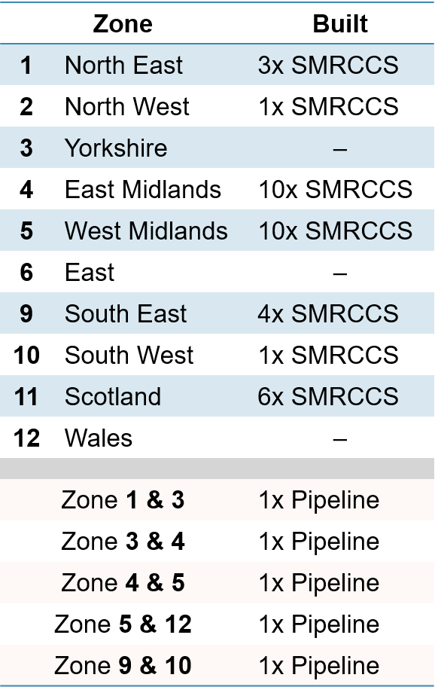
 | Blend 20
 | NPI |  |  | NTIpipe
 |  |  | Level | z | z' | Year | Bulit
5 | SMRCCS | 2025 | 1 | 1 | 8 | 2040 | 0 |  |  |  | Level
5 | SMRCCS | 2030 | 1 | 1 | 9 | 2020 | 1 | 3 | SALTCAVERNS | 2040
5 | SMRCCS | 2035 | 7 | 3 | 1 | 2025 | 1 | 3 | SALTCAVERNS | 2045
3 | SMRCCS | 2040 | 1 | 4 | 12 | 2020 | 1 | 3 | SALTCAVERNS | 2050
5 | SMRCCS | 2040 | 1 | 4 | 5 | 2020 | 1 | 3 | SVESSEL | 2015
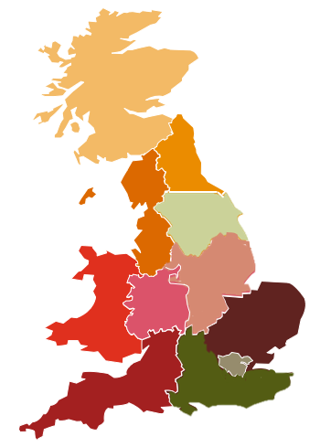
1
1
1
11
Z11
Z1
Z2
Z3
Z4
Z5
Z12
Z6
Z9
Z10
Z7& Z8
1
1
5 | SMRCCS | 2045 | 1 | 4 | 6 | 2025 | 1 | 3 | SVESSEL | 2020 | 1
9 | SMRCCS | 2045 | 1 | 4 | 8 | 2020 | 1 | 7 | SVESSEL | 2020 | 1
 |  |  |  | 4 | 9 | 2020 | 1 | 11 | SALTCAVERNS | 2025
Legend
Underground H₂ storage (14,774 GWh_{HHV H2} capacity)
Underground H₂ storage (2,373 GWh_{HHV H2} capacity)
Underground H₂ storage (871
GWh_{HHV H2} capacity)
Steam Methane Reforming with Carbon Capture Storage
Hydrogen pipeline (10 inches diameter)
 |  |  |  | 4 | 10 | 2020 | 1 | 11 | SALTCAVERNS | 2030
 |  |  |  | 4 | 11 | 2020 | 1 | 11 | SALTCAVERNS | 2035
 |  |  |  | 4 | 10 | 2025 | 13 | 11 | SALTCAVERNS | 2040
 |  |  |  | 4 | 7 | 2025 | 14 | 11 | SALTCAVERNS | 2045
 |  |  |  | 4 | 8 | 2030 | 14 | 11 | SALTCAVERNS | 2050
 |  |  |  | 4 | 11 | 2030 | 14 | 11 | SVESSEL | 2015
 |  |  |  | 4 | 12 | 2030 | 14 | 11 | SVESSEL | 2020 | 1
 |  |  |  | 5 | 11 | 2020 | 0.99999912562 | 11 | SVESSEL | 2025
 |  |  |  | 5 | 1 | 2020 | 1 | 11 | SVESSEL | 2030
 |  |  |  | 5 | 1 | 2030 | 1 | 11 | SVESSEL | 2035
 |  |  |  | 5 | 2 | 2020 | 1 | 11 | SVESSEL | 2040
 |  |  |  | 5 | 2 | 2025 | 1 | 11 | SVESSEL | 2045
 |  |  |  | 5 | 4 | 2020 | 1 | 11 | SVESSEL | 2050
 |  |  |  | 5 | 6 | 2020 | 1 | 11 | MVESSEL | 2015
 |  |  |  | 5 | 7 | 2020 | 1 | 11 | MVESSEL | 2020
 |  |  |  | 5 | 8 | 2025 | 1 | 11 | MVESSEL | 2025
 |  |  |  | 5 | 9 | 2020 | 1 | 11 | MVESSEL | 2030
 |  |  |  | 5 | 9 | 2025 | 1 | 11 | MVESSEL | 2035
 |  |  |  | 5 | 10 | 2020 | 1 | 11 | MVESSEL | 2040
 |  |  |  | 5 | 10 | 2040 | 1 | 11 | MVESSEL | 2045
 |  |  |  | 5 | 3 | 2020 | 2 | 11 | MVESSEL | 2050
 |  |  |  | 5 | 6 | 2035 | 2 | 11 | LVESSEL | 2015
 |  |  |  | 5 | 7 | 2030 | 3 | 11 | LVESSEL | 2020
 |  |  |  | 5 | 12 | 2020 | 3 | 11 | LVESSEL | 2025
 |  |  |  | 5 | 9 | 2030 | 13 | 11 | LVESSEL | 2030
 |  |  |  | 5 | 11 | 2030 | 13.000000874 | 11 | LVESSEL | 2035
 |  |  |  | 6 | 1 | 2025 | 1 | 11 | LVESSEL | 2040
 |  |  |  | 6 | 2 | 2020 | 1 | 11 | LVESSEL | 2045
 |  |  |  | 6 | 3 | 2020 | 1 | 11 | LVESSEL | 2050
 |  |  |  | 6 | 4 | 2025 | 1 | 12 | SALTCAVERNS | 2015
 |  |  |  | 6 | 5 | 2020 | 1 | 12 | SALTCAVERNS | 2020
 |  |  |  | 6 | 7 | 2020 | 1 | 12 | SALTCAVERNS | 2025
2020
2025
2030
2035
2040
2045
20
2050
 |  |  |  | 6 | 8 | 2020 | 1 | 12 | SALTCAVERNS | 2030
20
 |  |  |  | 6 | 11 | 2020 | 1 | 12 | SALTCAVERNS | 2035
 |  |  |  | 6 | 12 | 2020 | 1 | 12 | SALTCAVERNS | 2040
 |  |  |  | 6 | 5 | 2035 | 2 | 12 | SALTCAVERNS | 2045
 |  |  |  | 6 | 2 | 2030 | 7 | 12 | SALTCAVERNS | 2050
 |  |  |  | 6 | 9 | 2025 | 14 | 12 | SVESSEL | 2015
 |  |  |  | 6 | 10 | 2025 | 14 | 12 | SVESSEL | 2020 | 1
 |  |  |  | 7 | 1 | 2025 | 1 | 12 | SVESSEL | 2025
 |  |  |  | 7 | 2 | 2020 | 1 | 12 | SVESSEL | 2030
 |  |  |  | 7 | 3 | 2020 | 1 | 12 | SVESSEL | 2035
 |  |  |  | 7 | 5 | 2020 | 1 | 12 | SVESSEL | 2040
 |  |  |  | 7 | 6 | 2020 | 1 | 12 | SVESSEL | 2045
 |  |  |  | 7 | 8 | 2020 | 1 | 12 | SVESSEL | 2050
 |  |  |  | 7 | 9 | 2020 | 1 | 12 | MVESSEL | 2015
 |  |  |  | 7 | 10 | 2020 | 1 | 12 | MVESSEL | 2020
 |  |  |  | 7 | 11 | 2020 | 1 | 12 | MVESSEL | 2025
 |  |  |  | 7 | 3 | 2025 | 2 | 12 | MVESSEL | 2030
 |  |  |  | 7 | 12 | 2020 | 2 | 12 | MVESSEL | 2035
 |  |  |  | 7 | 5 | 2030 | 3 | 12 | MVESSEL | 2040
 |  |  |  | 7 | 2 | 2030 | 13 | 12 | MVESSEL | 2045
 |  |  |  | 7 | 9 | 2025 | 13 | 12 | MVESSEL | 2050
 |  |  |  | 7 | 4 | 2025 | 14 | 12 | LVESSEL | 2015
 |  |  |  | 8 | 1 | 2020 | 1 | 12 | LVESSEL | 2020
 |  |  |  | 8 | 2 | 2020 | 1 | 12 | LVESSEL | 2025
 |  |  |  | 8 | 3 | 2030 | 1 | 12 | LVESSEL | 2030
 |  |  |  | 8 | 4 | 2020 | 1 | 12 | LVESSEL | 2035
 |  |  |  | 8 | 5 | 2025 | 1 | 12 | LVESSEL | 2040
 |  |  |  | 8 | 6 | 2020 | 1 | 12 | LVESSEL | 2045
 |  |  |  | 8 | 7 | 2020 | 1 | 12 | LVESSEL | 2050
 |  |  |  | 8 | 9 | 2020 | 1
 |  |  |  | 8 | 10 | 2020 | 1
 |  |  |  | 8 | 11 | 2020 | 1
 |  |  |  | 8 | 12 | 2020 | 1
 |  |  |  | 8 | 10 | 2030 | 13
 |  |  |  | 8 | 11 | 2030 | 13
 |  |  |  | 8 | 4 | 2030 | 14
 |  |  |  | 8 | 9 | 2030 | 14
 |  |  |  | 9 | 1 | 2020 | 1
 |  |  |  | 9 | 2 | 2020 | 1
 |  |  |  | 9 | 3 | 2025 | 1
 |  |  |  | 9 | 3 | 2035 | 1
 |  |  |  | 9 | 4 | 2020 | 1
 |  |  |  | 9 | 5 | 2020 | 1
 |  |  |  | 9 | 5 | 2025 | 1
 |  |  |  | 9 | 7 | 2020 | 1
 |  |  |  | 9 | 8 | 2020 | 1
 |  |  |  | 9 | 10 | 2020 | 1
 |  |  |  | 9 | 11 | 2030 | 1
 |  |  |  | 9 | 12 | 2035 | 1
 |  |  |  | 9 | 5 | 2030 | 13
 |  |  |  | 9 | 7 | 2025 | 13
 |  |  |  | 9 | 2 | 2030 | 14
 |  |  |  | 9 | 6 | 2025 | 14
 |  |  |  | 9 | 8 | 2030 | 14
 |  |  |  | 10 | 1 | 2020 | 1
 |  |  |  | 10 | 2 | 2025 | 1
 |  |  |  | 10 | 3 | 2020 | 1
 |  |  |  | 10 | 4 | 2020 | 1
 |  |  |  | 10 | 5 | 2020 | 1
 |  |  |  | 10 | 5 | 2040 | 1
 |  |  |  | 10 | 7 | 2020 | 1
 |  |  |  | 10 | 8 | 2020 | 1
 |  |  |  | 10 | 9 | 2020 | 1
 |  |  |  | 10 | 11 | 2020 | 1
 |  |  |  | 10 | 12 | 2020 | 1
 |  |  |  | 10 | 4 | 2025 | 13
 |  |  |  | 10 | 8 | 2030 | 13
 |  |  |  | 10 | 6 | 2025 | 14
 |  |  |  | 10 | 12 | 2030 | 14
 |  |  |  | 11 | 5 | 2020 | 0.99999912562
 |  |  |  | 11 | 1 | 2020 | 0.99999975075
 |  |  |  | 11 | 2 | 2025 | 1
 |  |  |  | 11 | 3 | 2020 | 1
 |  |  |  | 11 | 4 | 2020 | 1
 |  |  |  | 11 | 6 | 2020 | 1
 |  |  |  | 11 | 7 | 2020 | 1
 |  |  |  | 11 | 8 | 2020 | 1
 |  |  |  | 11 | 9 | 2030 | 1
 |  |  |  | 11 | 10 | 2020 | 1
 |  |  |  | 11 | 12 | 2020 | 2
 |  |  |  | 11 | 2 | 2030 | 13
 |  |  |  | 11 | 8 | 2030 | 13
 |  |  |  | 11 | 5 | 2030 | 13.000000874
 |  |  |  | 11 | 4 | 2030 | 14
 |  |  |  | 12 | 2 | 2030 | 0.99999975075
 |  |  |  | 12 | 4 | 2020 | 1
 |  |  |  | 12 | 1 | 2030 | 1
 |  |  |  | 12 | 3 | 2020 | 1
 |  |  |  | 12 | 6 | 2020 | 1
 |  |  |  | 12 | 8 | 2020 | 1
 |  |  |  | 12 | 9 | 2035 | 1
 |  |  |  | 12 | 10 | 2020 | 1
 |  |  |  | 12 | 7 | 2020 | 2
 |  |  |  | 12 | 11 | 2020 | 2
 |  |  |  | 12 | 5 | 2020 | 3
 |  |  |  | 12 | 4 | 2030 | 14
 |  |  |  | 12 | 10 | 2030 | 14

